Dashboard
World's Top 10 Billoinaires
Dashboard

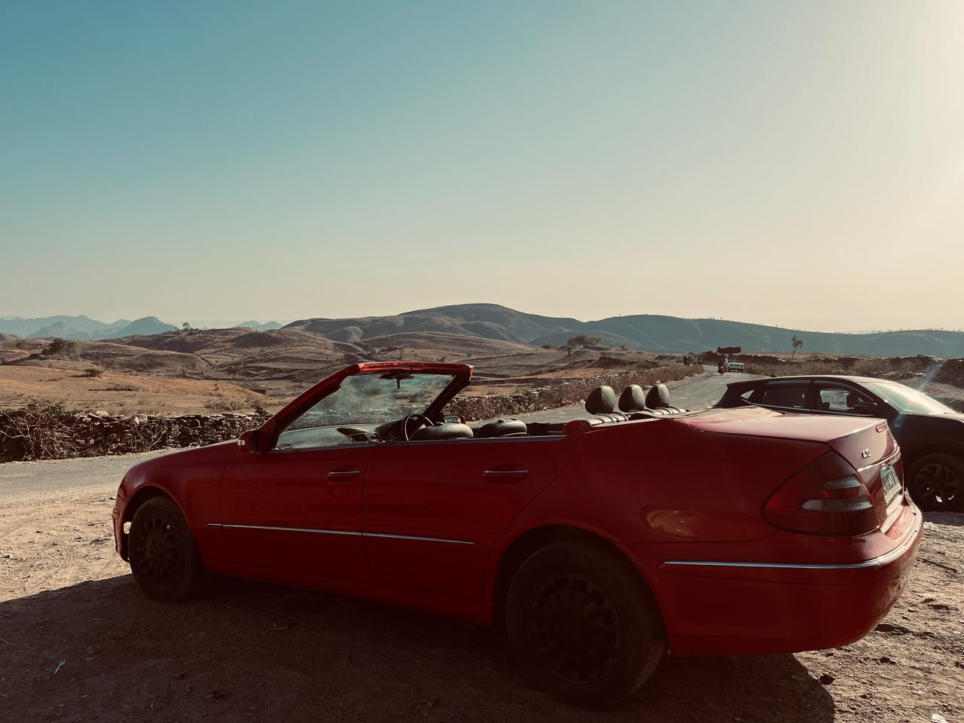

This dashboard presents an analysis of the world's top billionaires, categorized by name, country, total net worth, and industry. The visualizations have been designed to provide key insights, including:
The top 10 richest individuals and their respective net worth.
The top 10 industries ranked by the number of billionaires.
The distribution of billionaires by country and industry.

47
Total number of self made Billionaires
166300
Sum of Billionaires final worth
31
Sum of different age Billionaires

Most Self made Billinoinaire in countries
Number of Billionaires as per the industry & country
Top 10 richest people and their net worth
Top 10 Billionarires of the world with their Industries

Industries
 | Total
Automotive | 2
Construction & Engineering | 3
Diversified | 3
Energy | 7
Fashion & Retail | 21
Finance & Investments | 15
Food & Beverage | 14
Gambling & Casinos | 2
Healthcare | 9
Manufacturing | 12
Media & Entertainment | 2
Metals & Mining | 6
Real Estate | 5
Service | 4
Sports | 1
Technology | 11
Telecom | 1
 | Total
Automotive Italy | 1
Automotive United States | 1
Construction & Engineering Switzerland | 1
Construction & Engineering United Kingdom | 1
Construction & Engineering United States | 1
Diversified France | 1
Diversified Nigeria | 1
Diversified United Arab Emirates | 1
Energy China | 1
Energy Indonesia | 1
Energy Russia | 2
Energy United Kingdom | 1
Energy United States | 2
Fashion & Retail Austria | 1
Fashion & Retail Canada | 1
Fashion & Retail France | 2
Fashion & Retail Germany | 3
Fashion & Retail India | 1
Fashion & Retail Italy | 2
Fashion & Retail Japan | 1
Fashion & Retail South Africa | 1
Fashion & Retail Sweden | 1
Fashion & Retail United States | 8
Finance & Investments France | 1
Finance & Investments Sweden | 2
Finance & Investments Switzerland | 1
Finance & Investments United States | 11
Food & Beverage Brazil | 1
Food & Beverage Canada | 1
Food & Beverage China | 2
Food & Beverage Germany | 1
Food & Beverage India | 1
Food & Beverage Switzerland | 1
Food & Beverage United Kingdom | 3
Food & Beverage United States | 4
Gambling & Casinos Austria | 1
Gambling & Casinos United States | 1
Healthcare China | 2
Healthcare Denmark | 1
Healthcare Germany | 2
Healthcare Switzerland | 1
Healthcare United States | 3
Manufacturing China | 2
Manufacturing Denmark | 1
Manufacturing Germany | 1
Manufacturing Israel | 1
Manufacturing Japan | 1
Manufacturing Russia | 1
Manufacturing Switzerland | 1
Manufacturing United Kingdom | 3
...
 | Total
Alain Bouchard | 6000
Alain Wertheimer | 31600
Alice Walton | 56700
Andreas Struengmann & family | 11500
Andrew Beal | 10300
Ann Walton Kroenke | 8500
Anthony Bamford & family | 6300
Anthony von Mandl | 9000
Azim Premji | 9200
Bernard Arnault & family | 211000
Blair Parry-Okeden | 8400
Bubba Cathy | 6600
Carl Bennet | 6400
Carlos Alberto Sicupira & family | 8600
Carrie Perrodo & family | 8800
Charlene de Carvalho-Heineken & family | 14700
Christy Walton | 10200
Dan Cathy | 6600
David Cheriton | 9000
David Shaw | 7900
David Steward | 6000
David Sun | 6700
Diane Hendricks | 13700
Don Vultaggio & family | 7000
Erich Wesjohann & family | 5300
Finn Rausing | 8900
Francoise Bettencourt Meyers & family | 80500
Frederik Paulsen | 7100
Fredrik Lundberg | 5700
Friedhelm Loh | 9700
Gennady Timchenko | 18500
Gerard Wertheimer | 31600
Germán Larrea Mota Velasco & family | 26600
Gina Rinehart | 27000
Harold Hamm & family | 18500
Henry Samueli | 7700
Israel Englander | 11300
J. Christopher Reyes | 7000
Jack Dangermond | 7000
James Dyson | 9300
James Ratcliffe | 22900
Jeff Greene | 7200
Jiang Rensheng & family | 12200
Jiang Weiping & family | 5500
Jim Kennedy | 8400
Jim Walton | 58800
Jin Baofang | 9600
Johann Graf | 7100
Johann Rupert & family | 11100
John Doerr | 8800
...
 | Total
Australia | 2
Denmark | 2
France | 4
Germany | 4
India | 3
Italy | 2
South Africa | 2
Sweden | 2
Switzerland | 3
United Kingdom | 7
United States | 16

